Map
Fume Hood

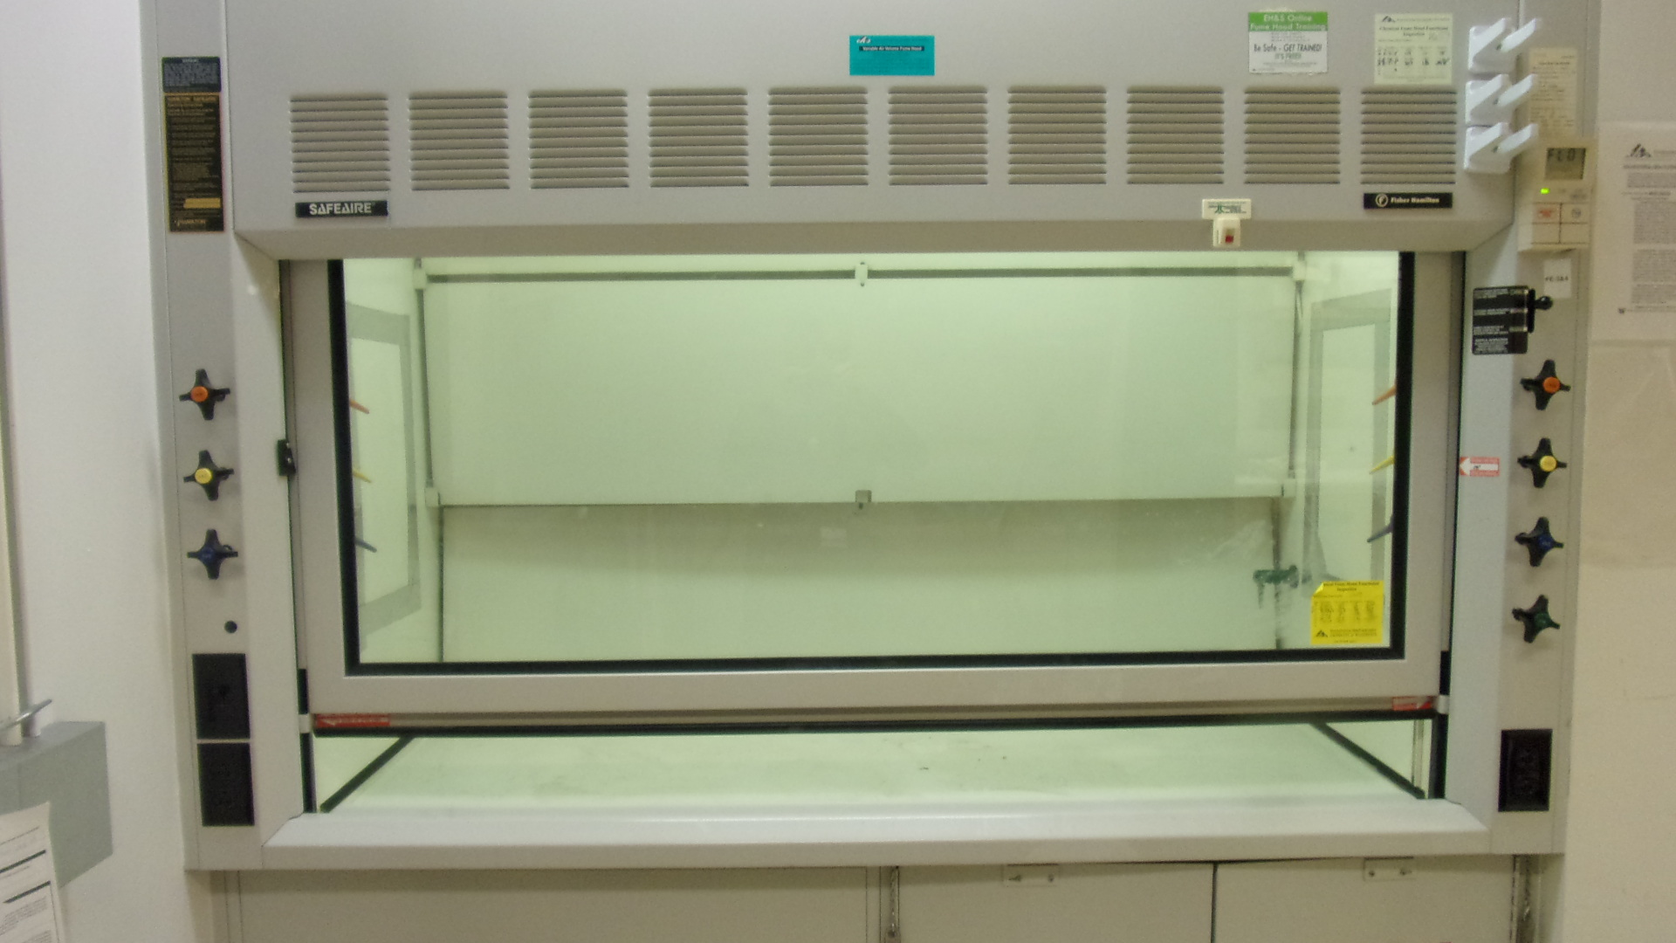

Inside of Fume Hood

Ceiling

Duct
A

Side
Back
Side

B
C

Floor
Survey Locations and Survey Numbers
A : 1, 4, 7, 10, 13
B : 2, 5, 8, 11, 14
C : 3, 6, 9, 12, 15

Gamma scan survey with 44-10 probe and beta/gamma scan survey with 43-93 probe was performed on all accessible surfaces inside of each fume hood, and on the slits outside above the door. One minute static measurements were performed inside of the duct with the both probes. Smears were obtained from inside of the duct and locations where air was likely to stagnate behind the back panel (dusty locations, B and C).
Survey No | INIS-121019-783
Date | 2019-12-10
Survey Tech | J.Walther, A.Penden
Count Room Tech | P.Ray
Date Counted | 2019-12-10
Survey Type | Characterization
Level of Posting | None
Comments

